INVENTORY DASHBOARD
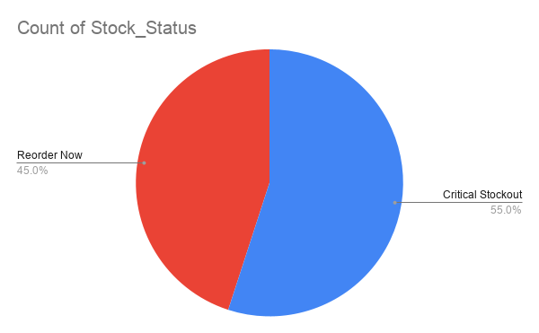
Item_ID | Product_Category | Unit_Cost_INR | Daily_Sales_Units | Lead_Time_Days | Current_Stock_Units | Safety_Stock | Reorder_Point | Stock_Status
SK-201 | Electronics | 1200 | 15 | 5 | 20 | 30 | FALSE | Critical Stockout | Column1 | Column2
SK-202 | Fashion | 450 | 40 | 3 | 150 | 80 | FALSE | Reorder Now | Total Inventory Value (INR) | 907800
SK-203 | Electronics | 2500 | 8 | 7 | 12 | 16 | FALSE | Critical Stockout | Critical Stockout Items | 11
SK-204 | Home & Kitchen | 800 | 20 | 4 | 30 | 40 | FALSE | Critical Stockout | Reorder Needed Items | 9
SK-205 | Fashion | 300 | 60 | 2 | 200 | 120 | TRUE | Reorder Now | Sufficient Stock Items | 0
SK-206 | Electronics | 3500 | 5 | 8 | 8 | 10 | FALSE | Critical Stockout
SK-207 | Home & Kitchen | 600 | 12 | 5 | 100 | 24 | FALSE | Reorder Now
SK-208 | Fashion | 500 | 35 | 3 | 25 | 70 | FALSE | Critical Stockout
SK-209 | Electronics | 1800 | 10 | 6 | 45 | 20 | FALSE | Reorder Now
SK-210 | Home & Kitchen | 950 | 18 | 4 | 15 | 36 | FALSE | Critical Stockout
SK-211 | Fashion | 700 | 25 | 3 | 80 | 50 | FALSE | Reorder Now
SK-212 | Electronics | 4200 | 4 | 9 | 5 | 8 | FALSE | Critical Stockout
SK-213 | Home & Kitchen | 1100 | 14 | 5 | 18 | 28 | FALSE | Critical Stockout
SK-214 | Fashion | 350 | 50 | 2 | 110 | 100 | TRUE | Reorder Now
SK-215 | Electronics | 1500 | 22 | 6 | 28 | 44 | FALSE | Critical Stockout
SK-216 | Home & Kitchen | 750 | 30 | 4 | 22 | 60 | FALSE | Critical Stockout
SK-217 | Fashion | 850 | 16 | 3 | 95 | 32 | FALSE | Reorder Now
SK-218 | Electronics | 2900 | 7 | 7 | 60 | 14 | FALSE | Reorder Now
SK-219 | Home & Kitchen | 1300 | 11 | 5 | 40 | 22 | FALSE | Reorder Now
SK-220 | Fashion | 400 | 45 | 2 | 15 | 90 | TRUE | Critical Stockout

